Table 1
SCHOOL NIJTRJOOH JSOUR
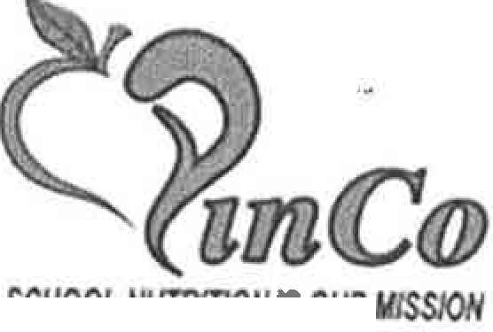 Partners in Nutrition Cooperative RFP #06/23-24 Purchased Food Products Delivered Direct to PINCO Member Sites

Table 6
sv. Q
food and service |  | CONFIDENTIAL & PROPRIETARY Sysco Food Safety System Overview
PROCESS FLOW OF DISTRIBUTION SUflPlY GHAIN Receiving-> Put Away-> Storage-> Selection -> Loading-> Delivery-> Returns HAZARD ANALYSIS AND FOOD SAFETY PREVENTIVE CONTROLS PLAN Sysco Operating Sites have documented Hazard Analysis. The hazards include Biological, Chemical (includes Allergens and Radiological), Physical Hazards and acts of Intentional Adulteration that may be of a food safety risk to various product groupings. A comprehensive risk-based Food Safety Preventive Controls plan based on Hazard Analysis Critical Control Point (HACCP) principles has been developed for product groupings where the likelihood and severity of each hazard is significant. The Food Safety Preventive Controls Plan is reviewed by the Global Support Center and Local Food Safety Teams annually or as needed. There are two Critical Control Points: RECEIVING and STORAGE PRE EQUISITE PROGRAMS : Sysco Operating Sites have Prerequisite Programs in place that include Preventive Maintenance, Cross Contamination, Cross Contact (allergen), Non-Conforming Product, Pest Control, Sanitation, Temperature Control and Monitoring, Good Manufacturing Practices, Training, Recalls and Customer Complaints. PREVENTIVE MAINTENANCE A Preventive Maintenance Program is in place at each Operating Sites. The Preventive Maintenance Program covers the maintenance and repair of the facility, equipment and transportation vehicles and trailers. CROSS CONTAMINATIO CONTROL Sysco Operating Sites have written Cross Contamination requirements and procedures in place. These requirements and procedures define the control steps associates must follow to minimize the risk of cross contamination from Biological, Chemical (non-allergenic) and Physical contaminants to food products. CROSS CONTACT (ALLERGENJ) CONTROL Sysco Operating Sites have written Cross Contact (Allergen) requir

 | NON-CONFORMING PRODUCT Sysco Operating Sites have requirements and procedures in place to address the handling of non-conforming, damaged, wasted and returned products.
PEST CONTROL Sysco Operating Sites have a Pest Control Program in place. The Program defines the requirements for Integrated Pest Management (1PM) strategies to prevent contamination by insect/rodent infestation and/or harborage at the Operating Sites. Third Party Licensed Pest Control Operators are contracted at each facility as part of the 1PM program. Only approved pesticides for food facilities are utilized in designated areas. 7-70a Sysco Food Safety System Overview 1 February 8, 2023

Table 9

CONFIDENTIAL & PROPRIETARY Certificate
M6ri ux NutrlScl•nce C rtlflc tion LLC c rtify th th vin conduct d n udit t Sv.sco Ventt11 1 Bl'!. SITE CODE. 6219193

J100 S • USA | Road, O .1. •• CA 93030
1g1s
eet the a·equirements set out in:
--GE
, J .·.l -A. ISSl:E -t: • |  | ·::::L
Has athi d grade: AA
Foa· srope of Atti ides: frozen, chtll , ·1ce • dnv1, u u |  |  |  |  | tnb , of it
I, ., id
\•,pm
shellfish sea . a d - uu g .
'1 ;
1em1c·
Exdosion from Scope: \\ 1: .c:
P1·oduct Categories: 01,- 02 - 11 b1ent F |  |  |  | t n Fo •
-· .,,.
nd J .v·k,
03 - Pa - 1 ,.-1.1• kutriSci11mce• A v- Qof1 |  |  | r enals. 04 - |  |  | Pr-11
"t;J
7-70a Sysco Food Safety System Overview 4 February 8, 2023

Table 18
CERTIFICATE OF LIABILITY INSURANCE |  |  |  |  |  | CA.Tl ,.W't\\J-Ol'l'Y'fJ l0/21 /2013
nus CERT C TE 15 ISSI.JtO AS A WAt"fEA OF IHf'OfUUTION ONU AN0 COHFl!RS NO RIGHTS UPOH THE CEr(TIF!CATE HOLDER. THl6 CERTIACATE DOU NOT AfflRNATIV!L Y Ofl Nf<UTIVl!LY AIA a,, fXTl: D OR AL.TEA tHe COVUU,GE JU'l'OAOED BY Tlf[ POUClfS enow. THI$ CERTIFICATE OF INSUAANC£ DOES NOT COKSTTTUTE A co mu.er BETWEEN TH£ ISSUING 1$URER(S). AUlHORlZED RURUENTATIVE OR PRODUCER, AHD TIC: CEl'TlFlCATE HOLl)Efl
lw>OATANT | . If 1t,o c■rot1011Ut h r I• an ACOITIONAL 11.slJRm. IM pallcy(INI mu.IM •ndor ML II &UB1100ATI()fj IS WAlVW, aubjoc:1 kl
the terma llld oondolion• ol U'i■ po!IC\I, C4oftliln policlN m,y raqul,. 11t1 endo nl, A tfalenl"'I on lhil c,t, ICM - no1 com., ,19.l'llt to,._. cenlfic.9.. llolclet In lieu ct auctl ondon_,. 1
l'ROOUCIU AgentNam. Agen Addr 'ioS
INWllEO Insured N.ni BA Insured Address
CERIIACAT HOU! A CAN<: L.LATlON
AnteJope Valle,J'PINCO OOBffchAve. ancaster. CA 93534 |  |  |  | H /tMY OF niE Aoovt cc I) JI THf lli'IJl!RATION DUE TMIE EOF. Jj T AGC.OftOAAC::I. wmt TIC l'OUCY PRO' 1011:11. ATift | BE WIU | LL£D BE.FOR£ BE OELl\lf I> IN
 |  |  |  | Agent S N'.lure
 |  |  | C19"·2010 ACORD CORPOR>\ TION. All rv,U t0$arwd T._ AGORO r ma and logo III ft I.II c:dm.rb ofACOflO
00\1 RAG
CERTIFICATE .,Ut.18 A0.lllOlU0765
A
IICICAHO. NOl'W111STAt◄OIMO .V Y nf<: Fl[ME.N'T, TffW Of\ (X'lt,OT,ON 0( ANY 001 l.ACT OR OTIIE'R oocu NI WITII nc. CT ro WHICH nus
T'..S IS ro C£Allr'i THAT THI: P<lU.": 5 01- ltJRUAilkCc usr o lllLOW tt.\Vt: ll!·f:t◄ISl:l()fO Tll rm lltSIJ l) f<AMED N,OV[ Fo-1 T>it POI.ICY FE.ntOO
Cl:nTIFlCATE MA'( Be ISSlJHI 00 W.V PHHAJN. TH£: I . An'QIUJ£"0 IIY f>lf. POtlOCS SCll18FO HF IN IS SI • Cl 10 L Oil lie .
(XCUJSIONS "1.0 CONOIT!t.'f.:li Of- RUCH POUUf.S. l.MIIS SI-IOYIN ,J.,o'( t\A\IF AFEN AE'OI./CtoO BT' PAID MS
A
Poocy Nurr.ba'
1,000, l)DCI
J.110.! 00(1
• 15.00(1
.f
1,000,000
2,000,000
:.1,000.000
,.
oao.nod
p
a
•'
'
0
10,000, 00(1
10,000, 00(1
IIONS:
C
A
UCllfi Ll.Ull.lTI
Cltl'Jal C'O'I.-UIJB
Policy umbEr
J./L/20U .....,_,r nc-
1 (1/lOU .Ml
:'.n
$3,000,0DC•
,2 . ooc,
ACOflD (2010.t'OS) INSOU 1;,i,u,;p,

 |  | 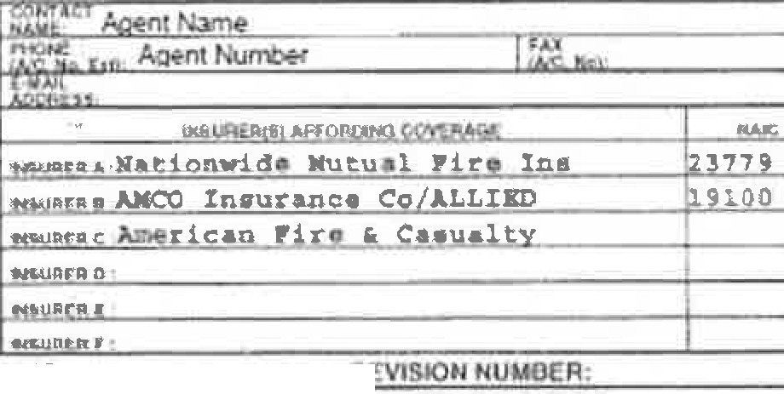 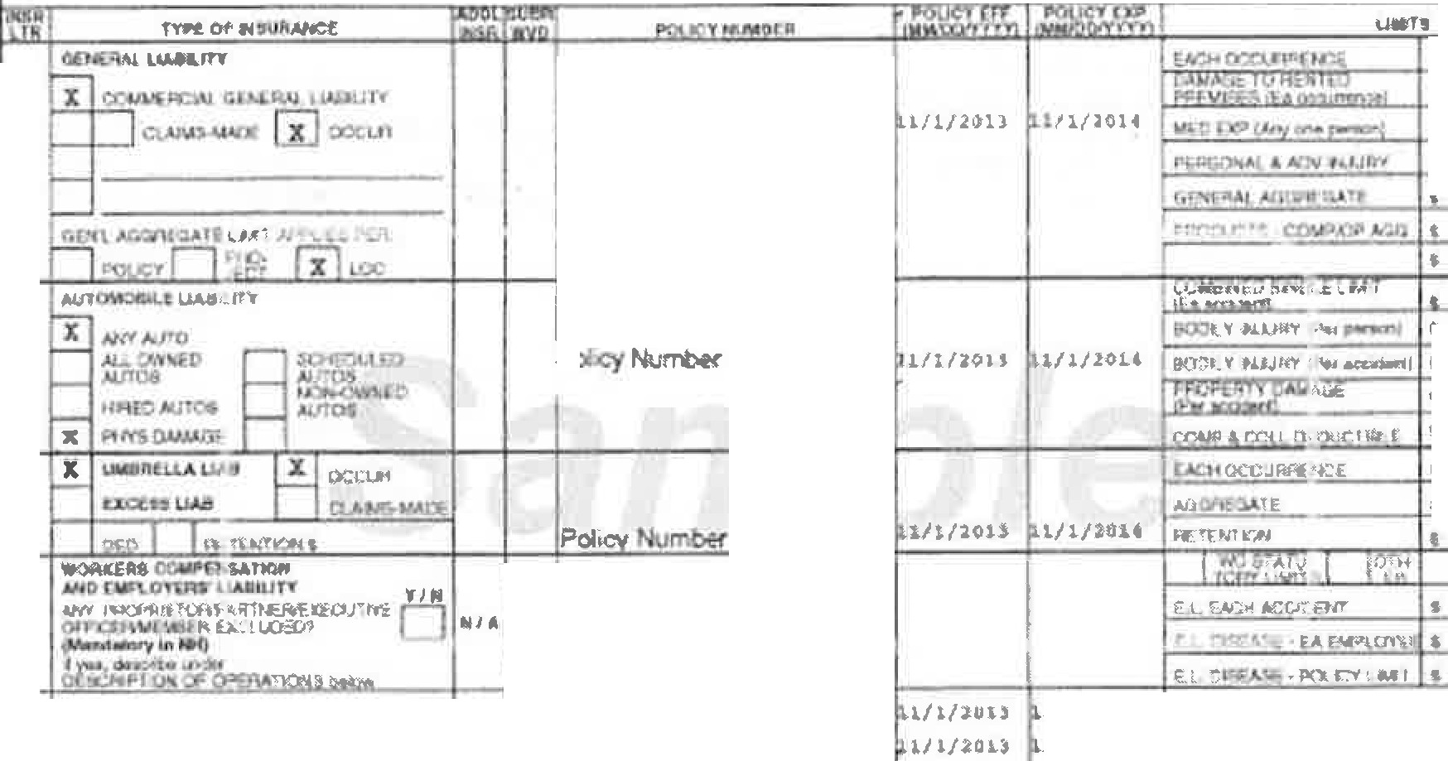

Table 22
PINCO BUY AMERICAN PROVISION DECLARATION
Prospective Vendor, Section 104(d) of the William F. Goodling Child Nutrition Reauthorization Act of 1998, (Public Law 105336), requires schools and institutions participating in the NSLP and SBP in the contiguous United States to purchase, to the maximum extent practicable, domestic commodities or products for use in meals served under the programs. The legislation defines "domestic commodity or product" as one that is produced in the United States and is processed in the United States, substantially using agricultural commodities that are produced in the United States. Substantially is defined as over 51 % of the final processed product consists of agricultural commodities that were grown domestically. Please complete the following information in order to certify that your items comply with the Buy American Provision. If you are not able to certify the information below, your product will not be considered by PINCO. Any decisions to accept product that does not meet the Buy American Provision shall be at the discretion PINCO. We ,Jf[( (J Ven11Artt /f?r,,, (Manufacturer's Name), certify that our product(s) has at least 51 % US content. Please list all product(s) manufactured for NSLP sponsorship that does not comply with the Buy American Provision:
 |  | ,,
 | Product Description | Manufacturer Code# |  |  | Country of Origin
 | lr(lpli { &vt (!wi&h | \f//l(t'Q'vtJ |  |  | VanrlbfI
u
'
Jun {vtf° (, ,/ rq1(n M 1</to out '-11AI f' lfl1 vmn·r1l1t [ndM Jut/cw t11 {(G° tv/eMro M.ande1r,n (Jn1,e1 t p,n apPlt, 1t'1flf lih (A1,n11
 |  |  | I¾'/ *·Pfrt{ | . ./61f-Is-';Hf- qJ&
P(!Ah f(IAl"f- Mti l,f fl PA-L-/ Vetr,,vt.f Attach Certificate of Origin documentation for all product(s) that does not comply with the Buy American Provision. Manufacturer Representative Name: Jennie Calzada Title: Contracts & Bids Manager Date: 5_1_10_1_20_2_3

Table 28
MXL
f11 II INK
COMPLIANCE WITH BUY AMERl°CAN PROVISION Mexilink, Inc. requests the exemption from the Buy American Provision for Tajin Seasoning, Item# 28805, Tajin Seasoning Low Sodium Packets 1000/ 0.035 oz, Item # 10062, Tajin Low Sodium Seasoning Bottles 24/5oz, Item # 66900 Tajin Seasoning Clasico Bottles 12/14 oz, Item # 10001 Tajin Seasoning Clasico Bottles 24/5 oz, Item# 10212 Sachet Chamoy Hot Sauce 780/0.27 fl oz and Item# 10211 Sachet Mild Hot Sauce 780/0.27 fl oz. Tajin Seasoning is 100% produced in Mexico and imported and distributed throughout the United States by Mexilink, Inc. Exceptions to the buy American provision are utilized by school districts. If vendor cannot certify compliance with the basic Buy American provision of over 51% of the final processed product consisting of agricultural commodities grown domestically, they may qualify for the exception from the Buy American Provision, indicated below. Exception: The product is not produced or manufactured in the U.S. in sufficient and reasonable available quantities of a satisfactory quality. Mexilink, Inc. certifies that it submits this request for an exception from the Buy American provision in good faith and with the reasonable belief that: (a) The product is not produced or manufactured in the U.S. in sufficient and reasonable available quantities of a satisfactory quality; and/or (b) The costs of a U.S. product are significantly higher than the non-domestic product. Mexilink, Inc. certifies that it is in compliance with all applicable provisions of the Buy America Act. Company Name: Mexilink, Inc. Company official: Yaxi Diaz Official Title: K-12 Manager. Date: April 11, 2023 MEXILINK, INCORPORATED 200 Westlake Park Blvd., Suite 900, Houston, TX 77079 Phone (281) 754-8200 Fax: (281) 754-8201

Table 35
Notice to all Contractors and Subcontractors Subject: Employment Clearance - Department of Justice Background Clearance is required for all school district employees and employees of outside contractors before they are permitted on any school site. The following information is a summary of legal provisions regarding employment processing offingerprint cards through the California Department of Justice ("CDOJ"). [Education Code 45125.1.]
s - EMPLOYEES OF ENTJT[E , REQUIREMENT OUTSrDE CONIRACT ERVICES l. Requires CDOJ clearance for employees of defined outside contractors (entity). (EC45125. la.) 2. Requires entity to not permit its employees to come in contact with pupils until CDOJ clearance is asce1tained. (EC45125. If.) 3. An entity having a contract as specified shall certify in writing to the governing board of the school district that none of its employees who may come in contact with pupil; have been convicted of a felony. (EC45 l 25. lg.) 4. The entity shall provide a list of names of its employees who may come in contact with pupils to the governing board of the school district. The above requirements apply to all contractors and subcontractors providing services to the Antelope Valley Union High School District.
TO BE EXECUTED BY BIDDER AND SUBMITTED WITH BID CERTIFICATE l hereby ce1iif y that my company Vy/'t(} Ven tural In{' is in compliance with the above requirements of Education Code section 45125. I. T hav attached a list of employees from my company who may come in contact with pupils at any school site. None of these employees have been convicted of a felony.
 | Vrt/<f
AuthrizedSignallre
5/10/2023 Date

Table 40
California Department of Education Child Nutrition and Food Distribution Division | School Nutrition Programs Unit April 1998
SUSPENSION AND DEBARMENT CERTIFICATION U.S. DEPARTMENT OF AGRICULTURE INSTRUCTIONS: SFA to obtain from any potential vendor or existing contractor for all contracts in excess of $100,000. This form is required each time a bid for goods/services over$ 100,000 is solicited or when renewing/extending an existing contract exceeding SIOO,O00 per year (Includes Food Service Management and Food Service Consulting Contracts). Ce11ification Regarding Debarment, Suspension, Ineligibility and Voluntary Exclusion Lower Tier Covered Transactions This certification is required by the regulations implementing Executive Order 12549, Debarment and Suspension, 7 CFR Part 3017, Section 3017.510, Participants' responsibilities. 1l1e regulations were published as Part IV of the January 30, 1989, Federal Register (pages 4722 - 4733). Copies of the regulations may be obtained by contacting the Department of Agriculture agency with which this transaction originated. (BEFORE COMPLETING CERTIFICATION, READ INSTRUCTIONS ON NEXT PAGE) (I) The prospective lower tier participant certifies, by submission of this proposal, that neither it nor its principals is presently debarred, suspended, proposed for debarment, declared ineligible, or voluntarily excluded from participation in th is transaction by any Federal department or agency. (2) Where the prospective lower tier participant is unable to certify to any of the statements in this certification, such prospective pa11icipant shall attach an explanation to this proposal. 06/23-24 Name of School Food Authority Agreement Number Potential Vendor or Existing Contractor (Lower Tier Participant):

9C
Jennie Calzada Contracts & Bids Manager Printed Name Title |  | Authorized Signature | 5/10/2023 Date
DO NOT SUBMIT THIS FORM. RETAIN WITH THE APPLICABLE CONTRACT OR BID RESPONSES G;SN!':DEBAKMEN C

Table 46
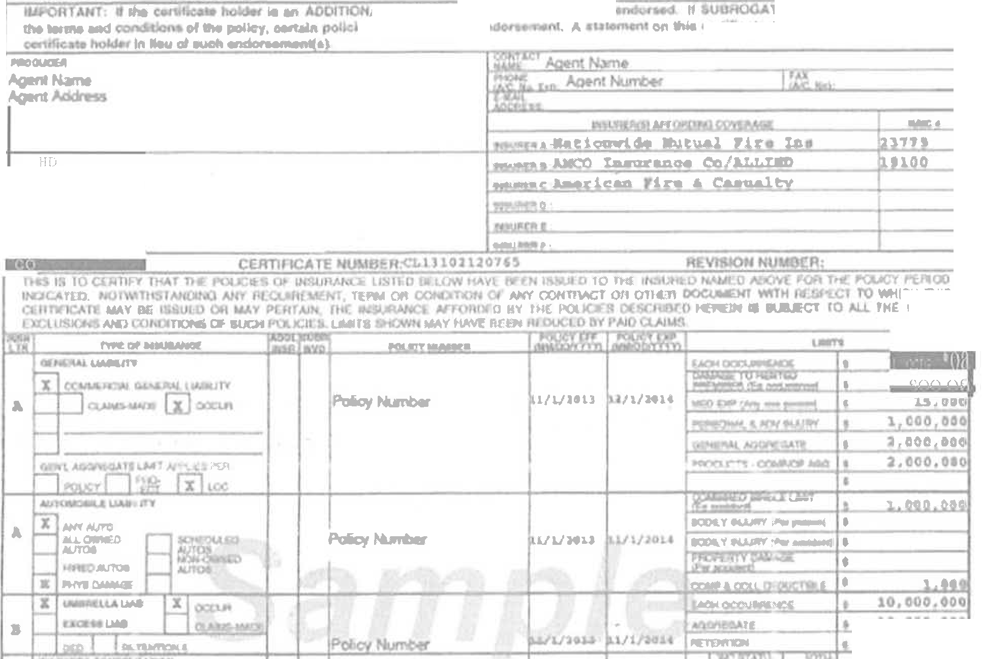
CffmflCAlll D0a NOT' AnWAATIVel.Y OR Nl!:Q.ATIVl!LY
lll!LOW. ntil Clln'W'ICATI 0, I UAANCI DOU 1110T
, OTUIII- 0" A. fl"& CQftRAGe N'f'QflOG n 1,-
4\cot'IJ CT ,fTWl!CJI Tia IIIUIHO ltlWR A
lf
fll TATWE Oft l'ROOUCl!lt, MD Tt-lR CVfflACATI HOLDlll
Al u ' ... policy(•) mu.I .. 1l0N 15 lllilill'lm, • ID
les1Ny,aq1'1Mlill. """1,flC:$ ....- ....,....
lnslnd NamllOSA
lnRndAddrus
ICH nus
flAlil&
lO, 000. 041
0,H0,00
!CERTIFICATE OF LIABILITY INSURANCE |  |  | . .._'l'Y'n! l0/:11/301]
n4tt n.. Al A lil4 Of' TlOfl CIHt.Y Me COHnfllJ MO N8NT9 IJPON 1111 Cl.nwcA.ff ltOI.DIR. 'Ml

! .
f'll()'nlllOtiS.
U/l/HU
a!FIOFICAl HOWE |  | Nff OF TIii AtlOof Mn Hll:& Wffll ftll AIM!
 | MtOUUJ M f ACCO/lCM tSign
atlll"C "'
ACOR02111 (;lOICWS} TiaACORO Mdlop-

